Sheet1
Product Requirement Document (PRD) - Version: 1.0

Template Name |  | Finance and Billing Automation
Goals & Objective |  | • Simplify and automate the billing and invoicing process. • Reduce manual data entry and human errors. • Provide real-time financial insights and reporting. • Enhance customer experience by offering online payment options. • Ensure data security and compliance with financial regulations
Client Information
Product Type |  | Web Application
Domain |  | Web2
Access Layers |  | Super Admin, Client, Finance Manager, Finance Staffs, Billing Manager, Billing Staffs
Design Required |  | Yes

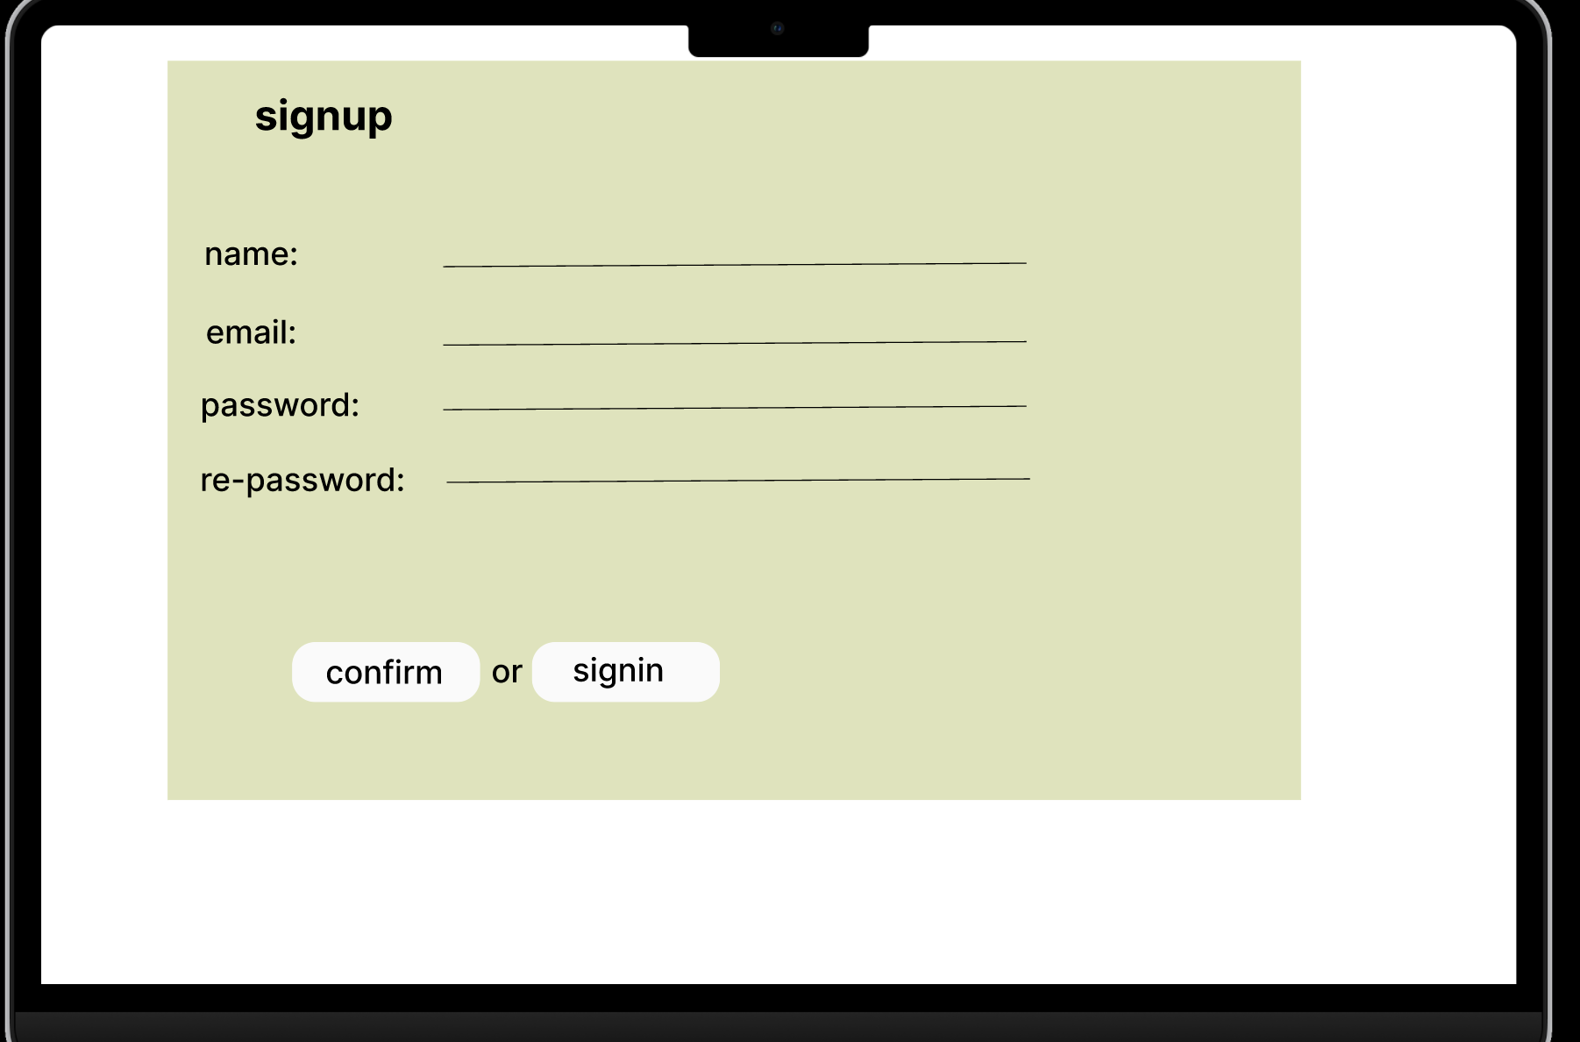
Phase | Item No | Specification [Role] | Screen Definition | User Story | Acceptance Criteria | UI Screen / Wireframe | Tags
Feature: 1 |  | Auth Feature[Tuli, Taslima Akther]
phase 1 | 1 | Signup [All users] | <Form> <input=name> <input=email> <input=gender> <input=dob> <input=password> <input=re-password> <input=user-type> <button=signup> <link=signin> | - Enter Full name (input) - Enter unregistered email (input) - Enter password (input) [Logic: At least 8 characters long, atleast one special character] - Enter password again (input) [Logic: should match password input] - Choose user type [user,miner] - Click Signup (button) [Logic: If the email is unique, user will be registered to the sysmem (databse)] - Signin (link) [Logic: redirect user to Login page] | - Email (input) field should only accept valid unregistered email address as input, otherwise will show an 'email already used' message. - Password (input) should be minimum 8 characters long. Otherwise show an invalid message. - Re-password (input) should match password. Otherwise show 'password do not match' message. - User type must be selected. Otherwise show 'Please select a user type'. - On clicking signup button, credential will be stored in database, user will be redirected to his dashboard. - A copy of the login information will be sent to his email. |  | signup
phase 1 | 2 | Signin [All User] | <Form> <input=email> <input=password> <option=remember me> <button=signin> <link=signup> <link=forgot password> | - Enter Email (input) - Enter password (input) - signin (button) - signup (link) - forgot password (link) | - Email must match database email - password must match database password - User go to dashboard (if email & password match with database) - User is promt with an error. "Email or password does not match!". (if email & password match with database) - clicking signup should take user to signup page - clicking forgot password should take him to forgot password page | 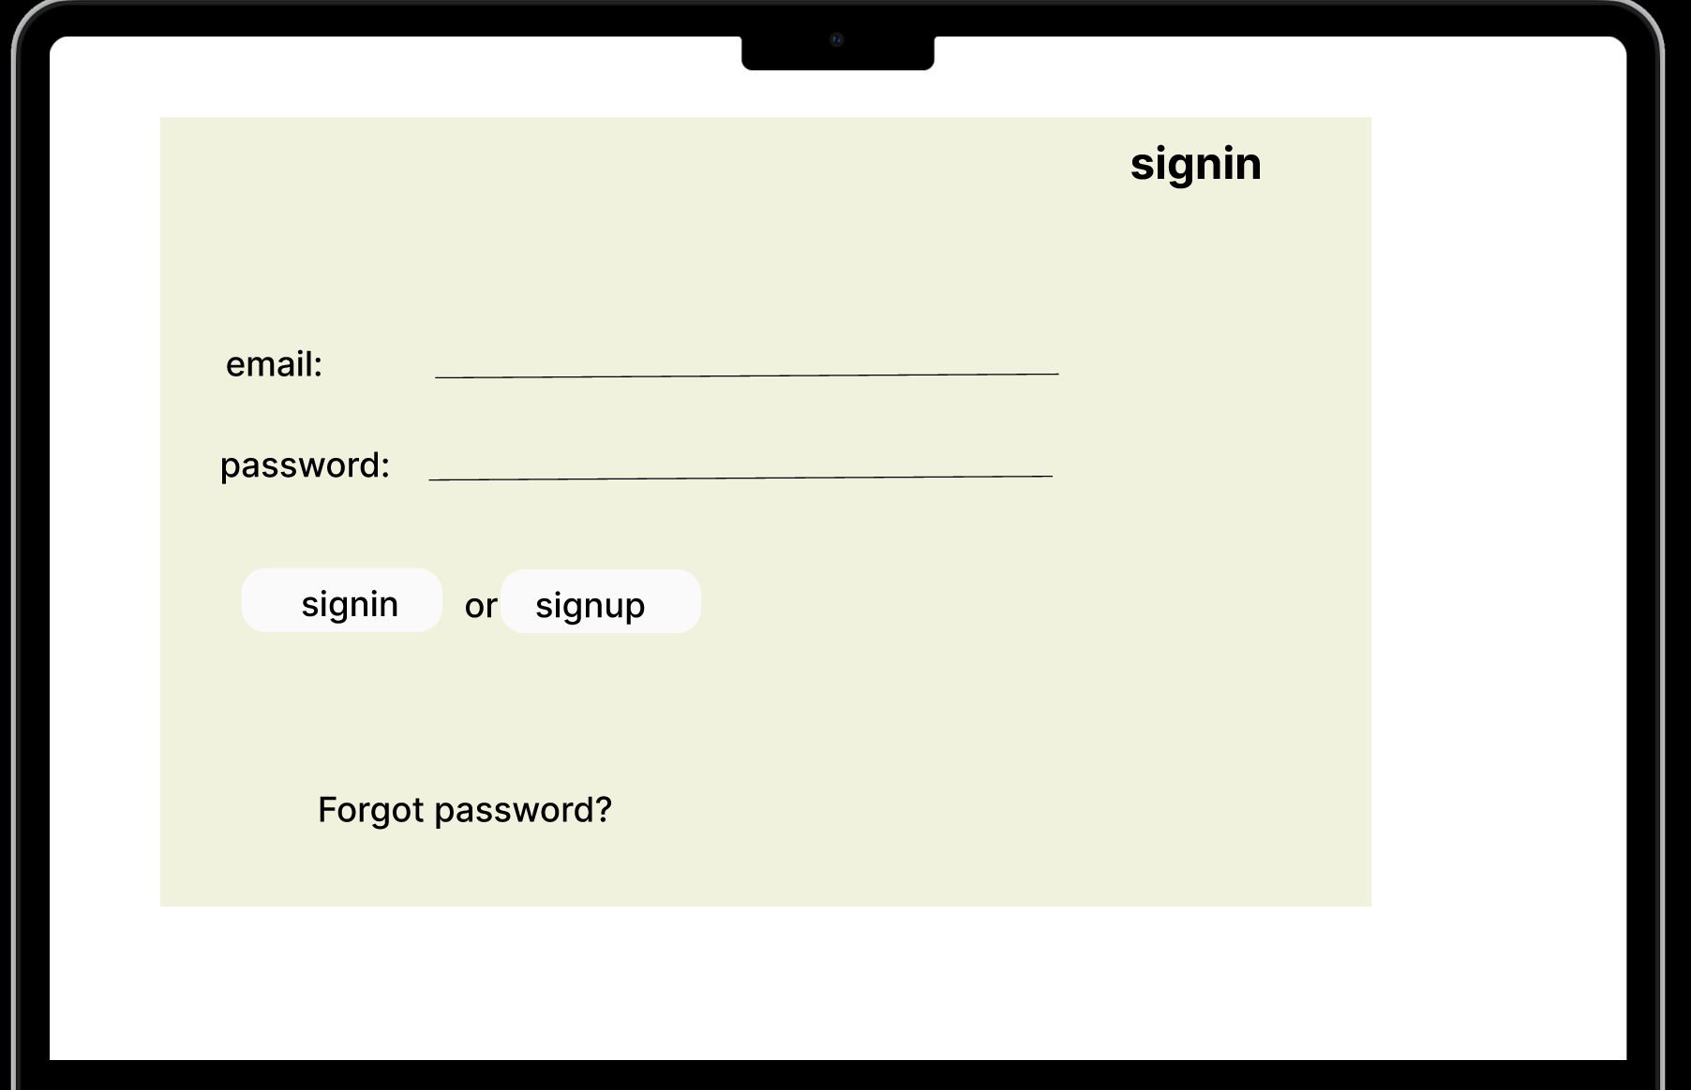 | signin
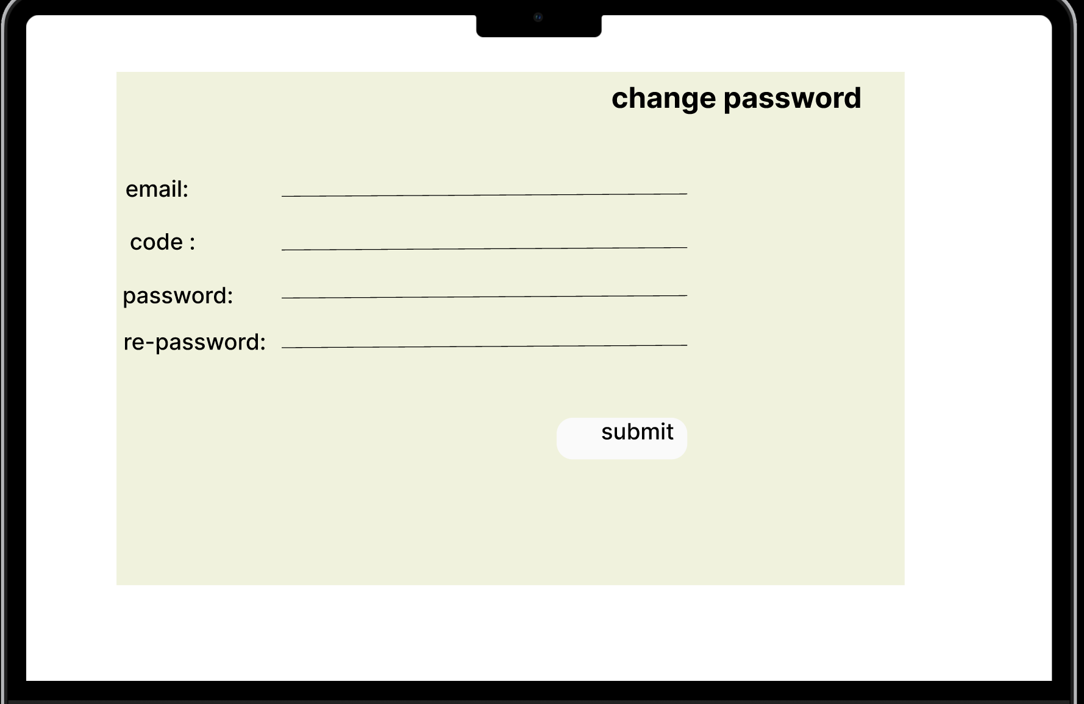
Feature: 2 |  | Dashboard
Feature: 3 |  | Notification
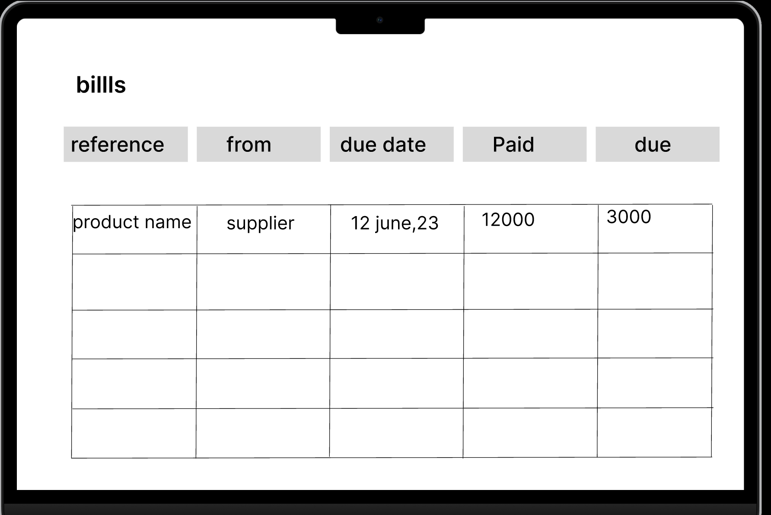
Feature: 4 |  | Pay Bills
Feature: 5 |  | Purchase
Feature: 6 |  | Bank Connections
Feature: 7 |  | Accept Payment
Feature: 8 |  | Bank Reconciliation
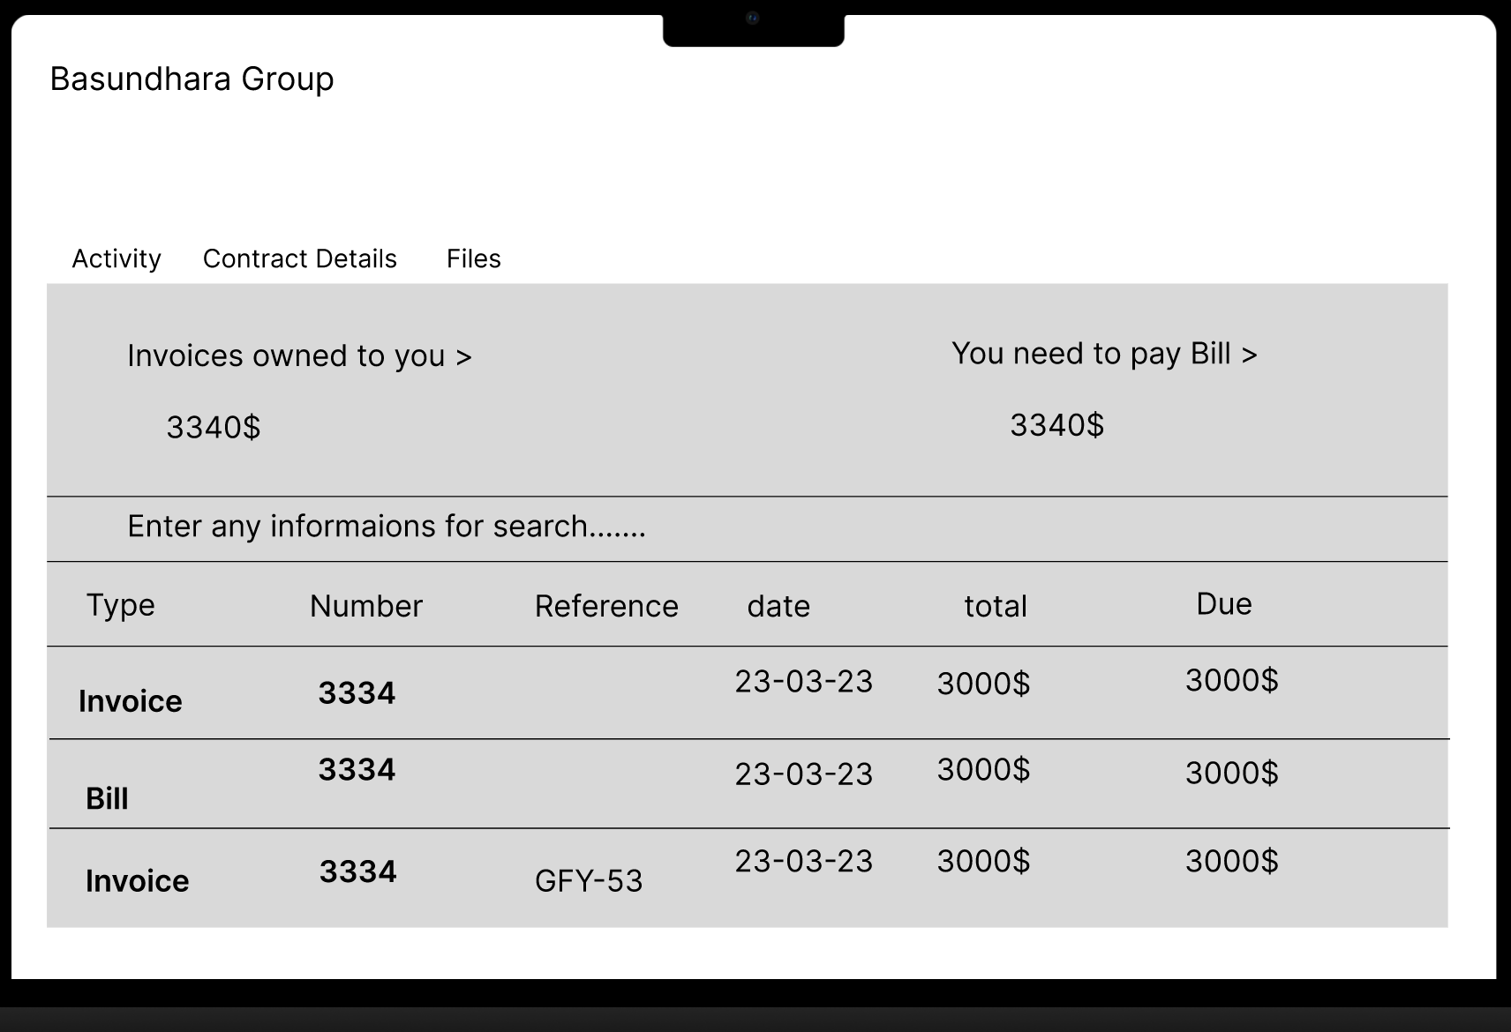
Feature: 9 |  | Manage Contacts
Feature: 10 |  | Capture Data
Feature: 11 |  | Files
Feature: 12 |  | Invoice [Tuli, Taslima Akther]
phase 1 | 32 | Automated Invoice Creation [Billing Staff] | <Form> <input=customer-name> <input=invoice-description> <input=billing-frequency> <input=invoice-amount> <input=start-date> <input=end-date> <input=payment-method> <input=currency> <button=create-invoice> <link=cancel> </Form> | Clear and professional-looking invoice with all necessary details. | 1. The system shall provide automated invoice creation functionality for recurring billing cycles. 2. The system shall accurately calculate invoice amounts based on predetermined pricing and billing rules. 3. Automated invoices shall include all necessary information, such as customer details, invoice date, due date, and itemized charges. | 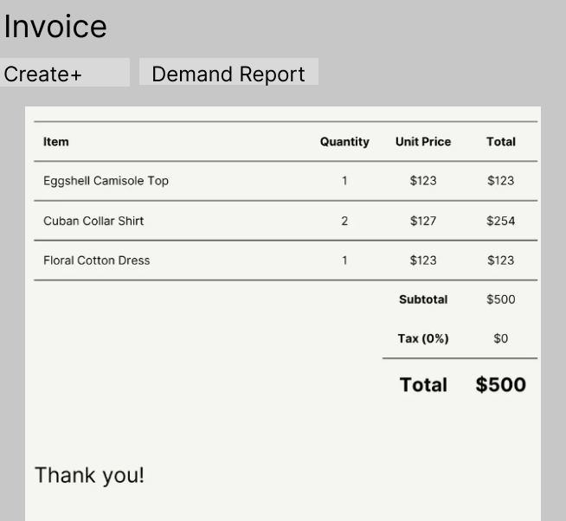 | Invoice
phase 1 | 33 | Invoice Tracking (Pending/ Paid) [Billing staff and manager] | <Form> <select=invoice-status> <option value="paid">Paid</option> <option value="pending">Pending</option> </select> <table> </table> <link=back> </Form> ` | Show if the invoice is pending/ paid | 1. Each invoice in the list shall be clearly marked as either "Pending" or "Paid" based on its payment status. 2. Clicking on an invoice in the list shall provide detailed information about that invoice, including its creation date, due date, total amount, and payment history. Invoice tracking shall accurately reflect real-time payment updates, ensuring that the status changes promptly when a payment is made
phase 1 | 34 | Manual Invoice Creation [Billing staff] | <Form> <input=customer-name> <input=invoice-date> <input=due-date> <input=invoice-amount> <input=description> <button=create-invoice> <link=cancel> </Form> | • Customer information (name, contact details) • Invoice date • Due date • Itemized products/services, including descriptions and prices • Taxes and discounts (if applicable) | 1. Users with the appropriate permissions (e.g., staff members, administrators) shall have the ability to manually create invoices within the system. 2. During manual invoice creation, users shall be prompted to enter essential invoice details, including: • Customer information (name, contact details) • Invoice date • Due date • Itemized products/services, including descriptions and prices • Taxes and discounts (if applicable)
Feature: 13 |  | Inventory [Tuli, Taslima Akther]
phase 1 | 35 | Track stock levels [financial staff and manager, admin] | <Form> <input=product-name> <input=product-code> <input=current-stock> <input=min-stock> <input=max-stock> <button=update-stock> <button=add-new-product> <link=view-inventory> </Form> | 1. Stock item in the list shall be represented by its name, description, quantity on hand, and other relevant information. | 1. The system shall provide an "Inventory Management" section accessible to authorized users. 2. Each stock item in the list shall be represented by its name, description, quantity on hand, and other relevant information. 3. Users shall be able to update the quantity of a stock item manually. | 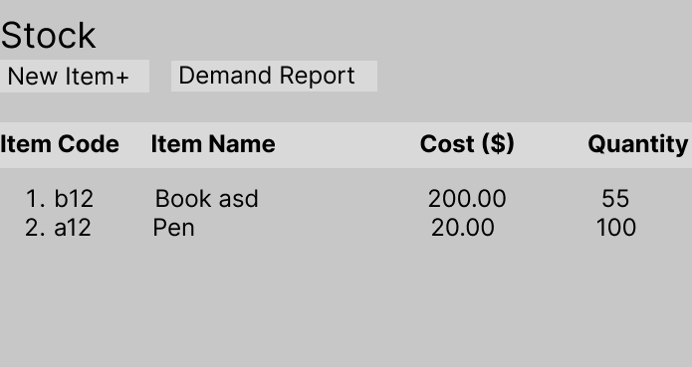 | Stock
Feature: 14 |  | Report [Tuli, Taslima Akther]
phase 1 | 38 | Financial Reports [financial staff and manager, admin] | <Form> <button=profit-loss-report> <button=balance-sheet-report> <button=cash-flow-report> <button=custom-report> <link=go-back> </Form> | Comprehensive financial reports. | 1. The system shall provide a "Reports" section in the user interface accessible to authorized users. 2. Users with appropriate permissions shall be able to access the "Financial Reports" subsection. 3. Users shall have the ability to customize the date range for the report, including start and end dates. 4. When generating a financial report, the system shall retrieve and calculate data accurately based on the selected parameters. 5. The financial reports shall update automatically to reflect any changes in the underlying financial data. | 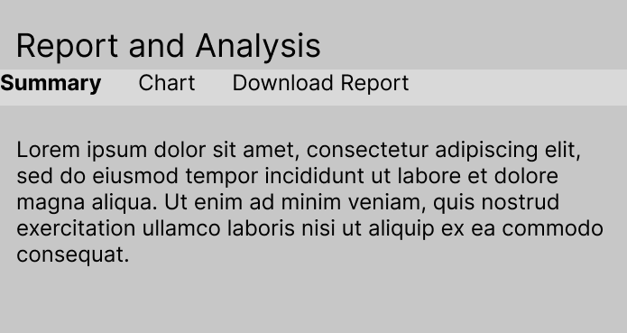 | Report
phase 1 | 39 | Profit and Loss Statemen [financial staff and manager, admin] | <table> <th>Category</th> <th>Amount</th> </tr> <tr> <td>Revenue</td> <td><input=total-revenue readonly></td> </tr> <tr> <td>Expenses</td> <td><input=total-expenses readonly></td> </tr> <tr> <td>Net Profit</td> <td><input=net-profit readonly></td> </tr> </table> | Profit and Loss (P&L) statement | 1. Within the "Financial Reports" section, users should find an option to generate a "Profit and Loss Statement" (P&L). 2. Users shall be able to specify the date range for the P&L statement. 4. The P&L statement shall display line items for revenues, expenses, and net profit. 3. Each line item in the P&L statement shall be clearly labeled and include the corresponding monetary amount. 4. Users shall have the ability to export the P&L statement in PDF and Excel formats. 5. The P&L statement shall be updated automatically when new financial data is added or existing data is modified
Feature: 15 |  | Multi-currency
Feature: 16 |  | Customer Feedback and Surveys [Tuli, Taslima Akther]
phase 1 | 44 | Customer Satisfaction Surveys [financial staff and manager, admin, client] | <Form> <input=survey-title> <input=survey-description> <input=survey-questions> <input=survey-target> <input=survey-schedule> <button=create-survey> <link=cancel> </Form> | 1. See an option to "Create New Survey." 2. Choose to create a new survey, 3. Create survey questions, including multiple-choice and open-ended questions, 4. Save the survey. | 1. Users with appropriate permissions (e.g., administrators or survey creators) shall have the ability to create and manage customer satisfaction surveys. 2. Survey creators shall be able to customize survey questions, including open-ended and multiple-choice questions. 3. Surveys shall be assignable to specific customers or customer groups, allowing targeted feedback collection. 4. Surveys shall be distributed to customers via email, web portal, or other designated communication channels. | 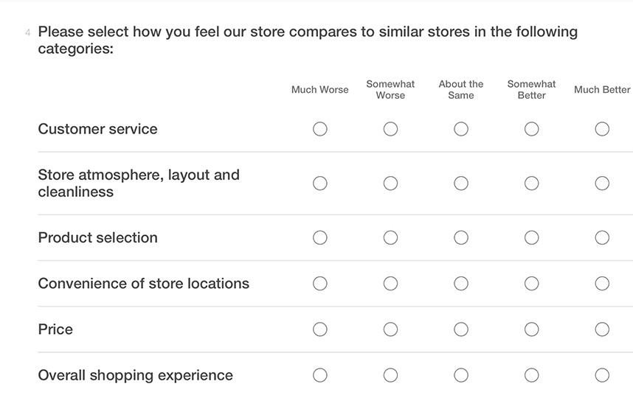 | take survey!
phase 1 | 45 | Survey Analysis [financial staff and manager, admin] | <Form> <input=survey-select> <input=date-range> <button=generate-report> <button=export-report> <button=share-report> <button=print-report> <button=back> </Form> | 1. See a list of all surveys and their response rates. 2. Should be able to view graphical representations of survey responses, including charts and graphs. 3. Export survey data and analysis reports, 4. Save reports in PDF and Excel formats for distribution. | 1. Survey analysis tools shall offer graphical representations of survey data, such as charts and graphs. 2. Survey creators shall be able to export survey data and analysis reports in common formats (e.g., PDF, Excel). 3. Survey analysis reports shall include both quantitative (e.g., ratings, percentages) and qualitative (e.g., comments, feedback) data. 4. Survey analysis tools shall provide insights into customer satisfaction, identifying areas for improvement and strengths. |  | survey result
Feature: 17 |  | Quotes
Feature: 18 |  | Sales Tax
Feature: 19 |  | Analytics
Feature: 20 |  | Accounting Dashboard
Feature: 21 |  | Manage Fixed Assets

